Variance F test
 |  | F-Test Two-Sample for Variances

93 | 88
12 | 74
37 | 4 | F-Test Two-Sample for Variances
46 | 38
54 | 45 |  | Variable 1 | Variable 2
35 | 79 | Mean | 52.101123596 | 47.123595506
32 | 52 | Variance | 726.95556691 | 816.56409602
79 | 7 | Observations | 89 | 89
98 | 77 | df | 88 | 88
= P_one_tail*2
73 | 26 | F | 0.89026148768
86 | 34 | P(F<=f) one-tail | 0.29338762696 | 0.58677525391 | P two-tail
72 | 19 | F Critical one-tail | 0.70286820366
53 | 92
28 | 26
39 | 33
45 | 23
57 | 2
25 | 53
77 | 74
23 | 69
52 | 12
43 | 74
1 | 37
72 | 99
88 | 99
14 | 98
43 | 57
18 | 55
97 | 45
11 | 85
78 | 14
60 | 18
69 | 78
26 | 83
80 | 68
48 | 43
54 | 48
66 | 58
23 | 56
17 | 13
38 | 10
66 | 86
100 | 46
28 | 94
82 | 16
71 | 29
76 | 51
29 | 33
36 | 19
9 | 17
67 | 61
74 | 64
32 | 38
58 | 27
8 | 13
36 | 87
24 | 76
11 | 30
26 | 10
52 | 59
35 | 41
95 | 83
46 | 37
89 | 37
73 | 83
2 | 4
75 | 58
57 | 97
36 | 1
63 | 2
76 | 41
8 | 4
13 | 56
34 | 94
52 | 84
61 | 38
43 | 41
100 | 37
62 | 44
57 | 87
75 | 55
66 | 31
94 | 51
97 | 21
59 | 36
7 | 62
72 | 2
74 | 37
69 | 9

Population proportions_1
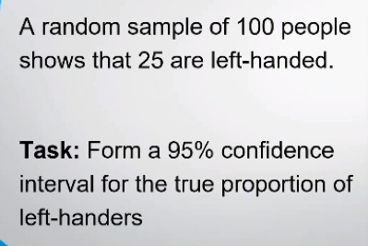
Condifence Inteval for the true proportion of left-handers & Determining Sample Size

 | Random Sample= | 100
 | Shows left handed= | 25
=25/100
= 0.25 - 1.96 * SQRT(0.25 * 0.75 / 100)
= 0.25 + 1.96 * SQRT(0.25 * 0.75 / 100)
 | P= | 0.25
 | 1-P= | 0.75 |  | 0.1651
 | n= | 100 |  | 0.3349

=NORM.S.INV(0.975)
 | for 95% Z_alfa/2= | 1.96 |  | Between | 0.1651 % | and | 0.3349 %

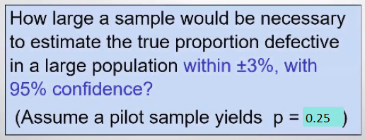
=NORM.S.INV(0.975)
= (1.96^2 * 0.25 * 0.75) / 0.03^2
 | for 95% Z_alfa/2= | 1.96
 | e = | 0.03
 | p= | 0.25
 |  |  |  | 800.33333333

 |  |  | Sample size must bee | 800.000

Population proportions_2
 | Z test for Proportion

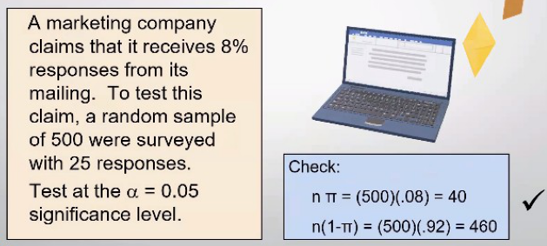
Receives responses %= | 0.08 = | H0: M
Receives responses %= | 0.08 != | H1: M
Random Sample= | 500
=25/500
responses number= | 25
=(0.05 - 0.08) / (SQRT(0.08 * 0.92 / 500))
Real Receives responses %= | 0.05
 |  |  |  |  | -2.4726767752
alfa= | 0.05
=NORM.S.INV(0.975)
for 95% Z_alfa/2= | 1.96

n= | 500
P= | 0.08
1-P= | 0.92
p_= | 0.05

=2*NORM.S.DIST(-2.47,TRUE)
1 st method |  |  | Z_stat | -2.47 < | -1.96 |  | Reject H0
2 nd method |  |  | p-value | P(Z_stat)*2 | from Z table | 0.0136 | < 0.05 | alfa | Reject H0
 |  |  | p-value |  |  | 0.0135 | < 0.05 | alfa | Reject H0
3 thd method | If H0: M = 0.08 not in |  |  | 0.0262 | <= H0: M <= | 0.0738 |  | for 95% | Reject H0
=0.05 - 1.96 * SQRT(0.08 * 0.92 / 500)
=0.05 + 1.96 * SQRT(0.08 * 0.92 / 500)

